Instructions
Instructions

 | Adding the IATI CDFD Data to the Workbook
 | The analysis in this workbook automatically generates when the data is populated in the 'Data' tab. Follow the steps below to populate the data.

 | 1. Open this IATI CDFD Analysis Dashboard and find the 'Data' tab (the last tab in the workbook).
 | 2. Download Transactions spreadsheet from CDFD (https://countrydata.iatistandard.org/).
 |  | a. Select all the populated cells in the CDFD Transactions spreadsheet, except the first row.
 |  | b. Copy all the cells (Ctrl+C) you selected.
 |  | c. Select cell A2 in the 'Data' tab in this IATI CDFD Analysis Dashboard and paste all the cells copied from the Transactions spreadsheet (Ctrl+V).

 | 3. Download Budgets spreadsheet from CDFD (https://countrydata.iatistandard.org/).
 |  | a. Select all the populated cells in the CDFD Budgets spreadsheet, except the first row.
 |  | b. Copy all the cells (Ctrl+C) you selected.
 |  | c. Scroll to the bottom of the Transactions data you just pasted in the 'Data' tab of this IATI CDFD Analysis Dashboard. Select the first blank cell in Column A (below the Transactions data you already pasted) and then paste the Budgets data (Ctrl+V).

 | 4. Fill blank cells.
 |  | a. Select all data (Ctrl+A) in the 'Data' tab.
 |  | b. Navigate to 'Find and Replace' (Ctrl+H) and replace all blank cells with the text, 'No data.'
 |  | b. Select 'Replace All.'
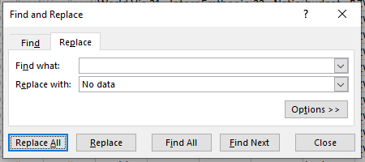

 | 5. Refresh the data in all the PivotTables (there are multiple throughout the workbook and this step needs to be taken manually). Note: Any time the data is updated in the 'Data' tab, this step will need to be repeated.

 |  | a. Open the 'PivotTable_All Data' tab (second to last tab in this workbook).
 |  | b. Click on any cell in the PivotTable.
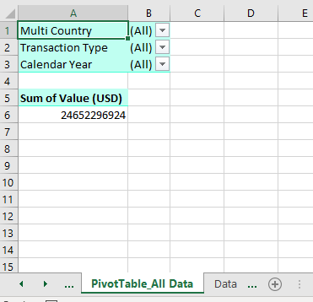

 |  | c. Open the Analyze menu in Excel, click on 'Refresh,' and select 'Refresh All.' Allow about 2-3 minutes for Excel to process the data that you have just added to the workbook.

 | 6. Save the file. All of the analysis should now be populated in each of the tabs.
 | 7. To replace the data in the 'Data' tab with new data, just delete the existing data from the 'Data' tab and add new data by repeating steps 1-6.

 | Password Protection
 | Most of the tabs in this workbook are password protected to prevent accidental changes to formulas. You can still copy and paste the data or graphs / charts while the tabs are password protected. If you want to unprotect the sheets to make changes, right click the tab, select 'Unprotect Sheet,' and enter the password: CDFD

Dashboard_Trends

 |  |  |  | Trends in Resource Flows: 2016-2020

 | Number of Activities | Number of Reporting Orgs | Top Reporting Org by Spending |  |  | Top Sector by Spending

2016 | 0 | 0 | #NUM! |  | #NUM! | #NUM! | #NUM!

2017 | 0 | 0 | #NUM! |  | #NUM! | #NUM! | #NUM!

2018 | 0 | 0 | #NUM! |  | #NUM! | #NUM! | #NUM!

2019 | 0 | 0 | #NUM! |  | #NUM! | #NUM! | #NUM!

2020 | 0 | 0 | #NUM! |  | #NUM! | #NUM! | #NUM!

Budgets vs Commitments vs Spending (USD)
 | Total Budgets | Total Commitments | Total Spending (Disbursements + Expenditures)
2016 | 0 | 0 | 0
2017 | 0 | 0 | 0
2018 | 0 | 0 | 0
2019 | 0 | 0 | 0
2020 | 0 | 0 | 0

Dashboard_2020 Spending
 |  |  |  | Spending: January - December 2020

 | Total Commitments | Total Spending (Disbursements + Expenditures)
2020 Q1 | 0 | 0
2020 Q2 | 0 | 0
2020 Q3 | 0 | 0
2020 Q4 | 0 | 0
2020 | 0 | 0
0 | 0
0 | 0
0 | 0
0 | 0
0 | 0
0 | 0
0 | 0
0 | 0
0 | 0
0 | 0
Commitments vs Spending (USD) |  |  |  |  | Spending by Reporting Organization (Top 10; USD)
 |  |  | Commitments
 |  |  | 0

 |  |  | Spending
 |  |  | 0

 |  |  | Percentage of commitments that were spent

 |  |  | #DIV/0!

#NUM! | 0
#NUM! | 0
#NUM! | 0
#NUM! | 0
#NUM! | 0
All other values | 0
0 | 0
0 | 0
0 | 0
0 | 0
0 | 0
0 | 0
0 | 0
0 | 0
0 | 0
0 | 0
Number of activities | Spending by Organization Type |  |  |  | Spending by Sector (Top 10; USD)
0

Number of reporting organizations
0

Spending on COVID-19 (USD)

Spending by Aid Type |  |  |  |  | Spending by Finance Type
#NUM! |  | #NUM! | #NUM! |  | #NUM! | #NUM! | #NUM!

#NUM! |  | #NUM! | #NUM! |  | #NUM! | #NUM! | #NUM!

#NUM! |  | #NUM! | #NUM! |  | #NUM! | #NUM! | #NUM!

#NUM! |  | #NUM! | #NUM! |  | All other values | #NUM! | #NUM!

#NUM! |  | #NUM! | #NUM!

All other values |  | #NUM! | #NUM!

Dashboard_2021 Projections
 |  |  |  | Projections: January - December 2021

 | Total Budgets | Total Spending (Disbursements + Expenditures)
2021 Q1 | 0 | 0
2021 Q2 | 0 | 0
2021 Q3 | 0 | 0
2021 Q4 | 0 | 0
2021 | 0 | 0
0 | 0
0 | 0
0 | 0
0 | 0
0 | 0
0 | 0
0 | 0
0 | 0
0 | 0
0 | 0
Budgets vs Spending (USD) |  |  |  |  | Budgets by Reporting Organization (Top 10; USD)
 |  |  | Budgets
 |  |  | 0

 |  |  | Spending
 |  |  | 0

 |  |  | Percentage of budgets that have been spent

 |  |  | #DIV/0!

#NUM! | 0
#NUM! | 0
#NUM! | 0
#NUM! | 0
#NUM! | 0
All other values | 0
0 | 0
0 | 0
0 | 0
0 | 0
0 | 0
0 | 0
0 | 0
0 | 0
0 | 0
0 | 0
Number of activities | Budgets by Organization Type |  |  |  | Budgets by Sector (Top 10; USD)
0

Number of reporting organizations
0

Budgets by Aid Type |  |  |  |  | Budgets by Finance Type
#NUM! |  | #NUM! | #NUM! |  | #NUM! | #NUM! | #NUM!

#NUM! |  | #NUM! | #NUM! |  | #NUM! | #NUM! | #NUM!

#NUM! |  | #NUM! | #NUM! |  | #NUM! | #NUM! | #NUM!

#NUM! |  | #NUM! | #NUM! |  | All other values | #NUM! | #NUM!

#NUM! |  | #NUM! | #NUM!

All other values |  | #NUM! | #NUM!

